Application Screen
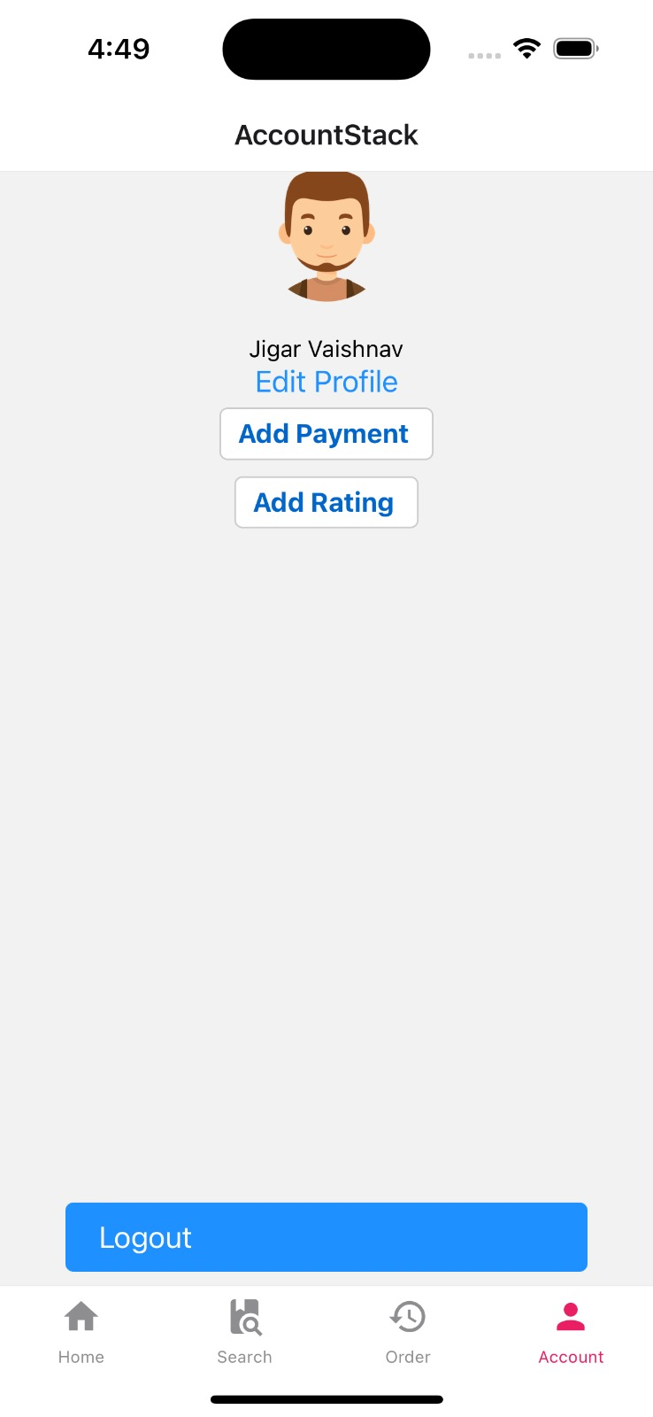
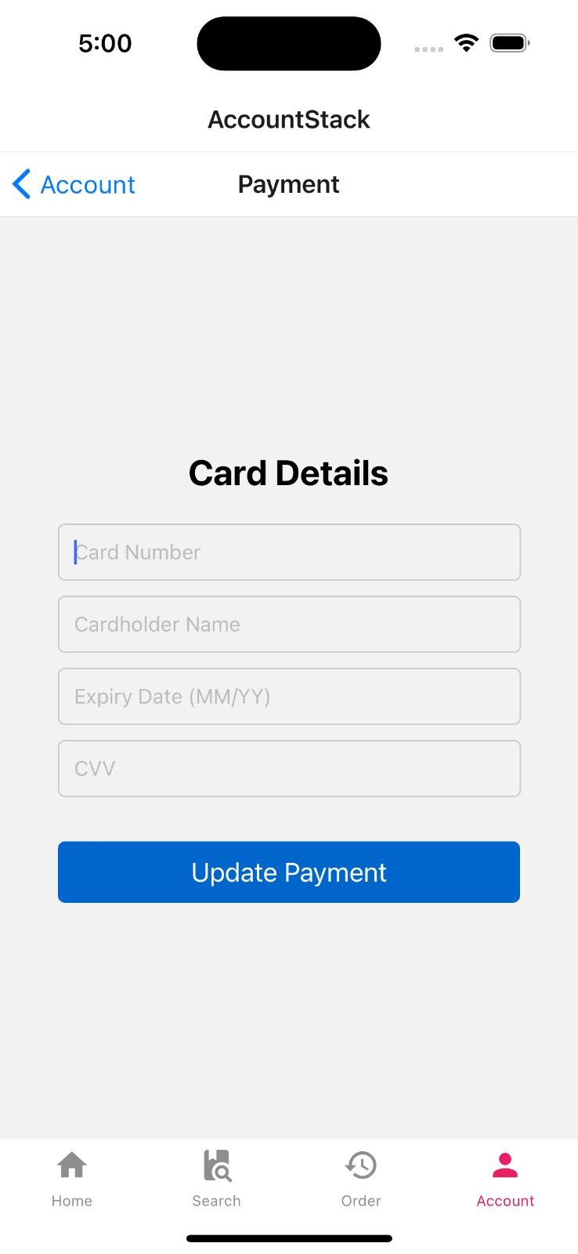

Test Case8
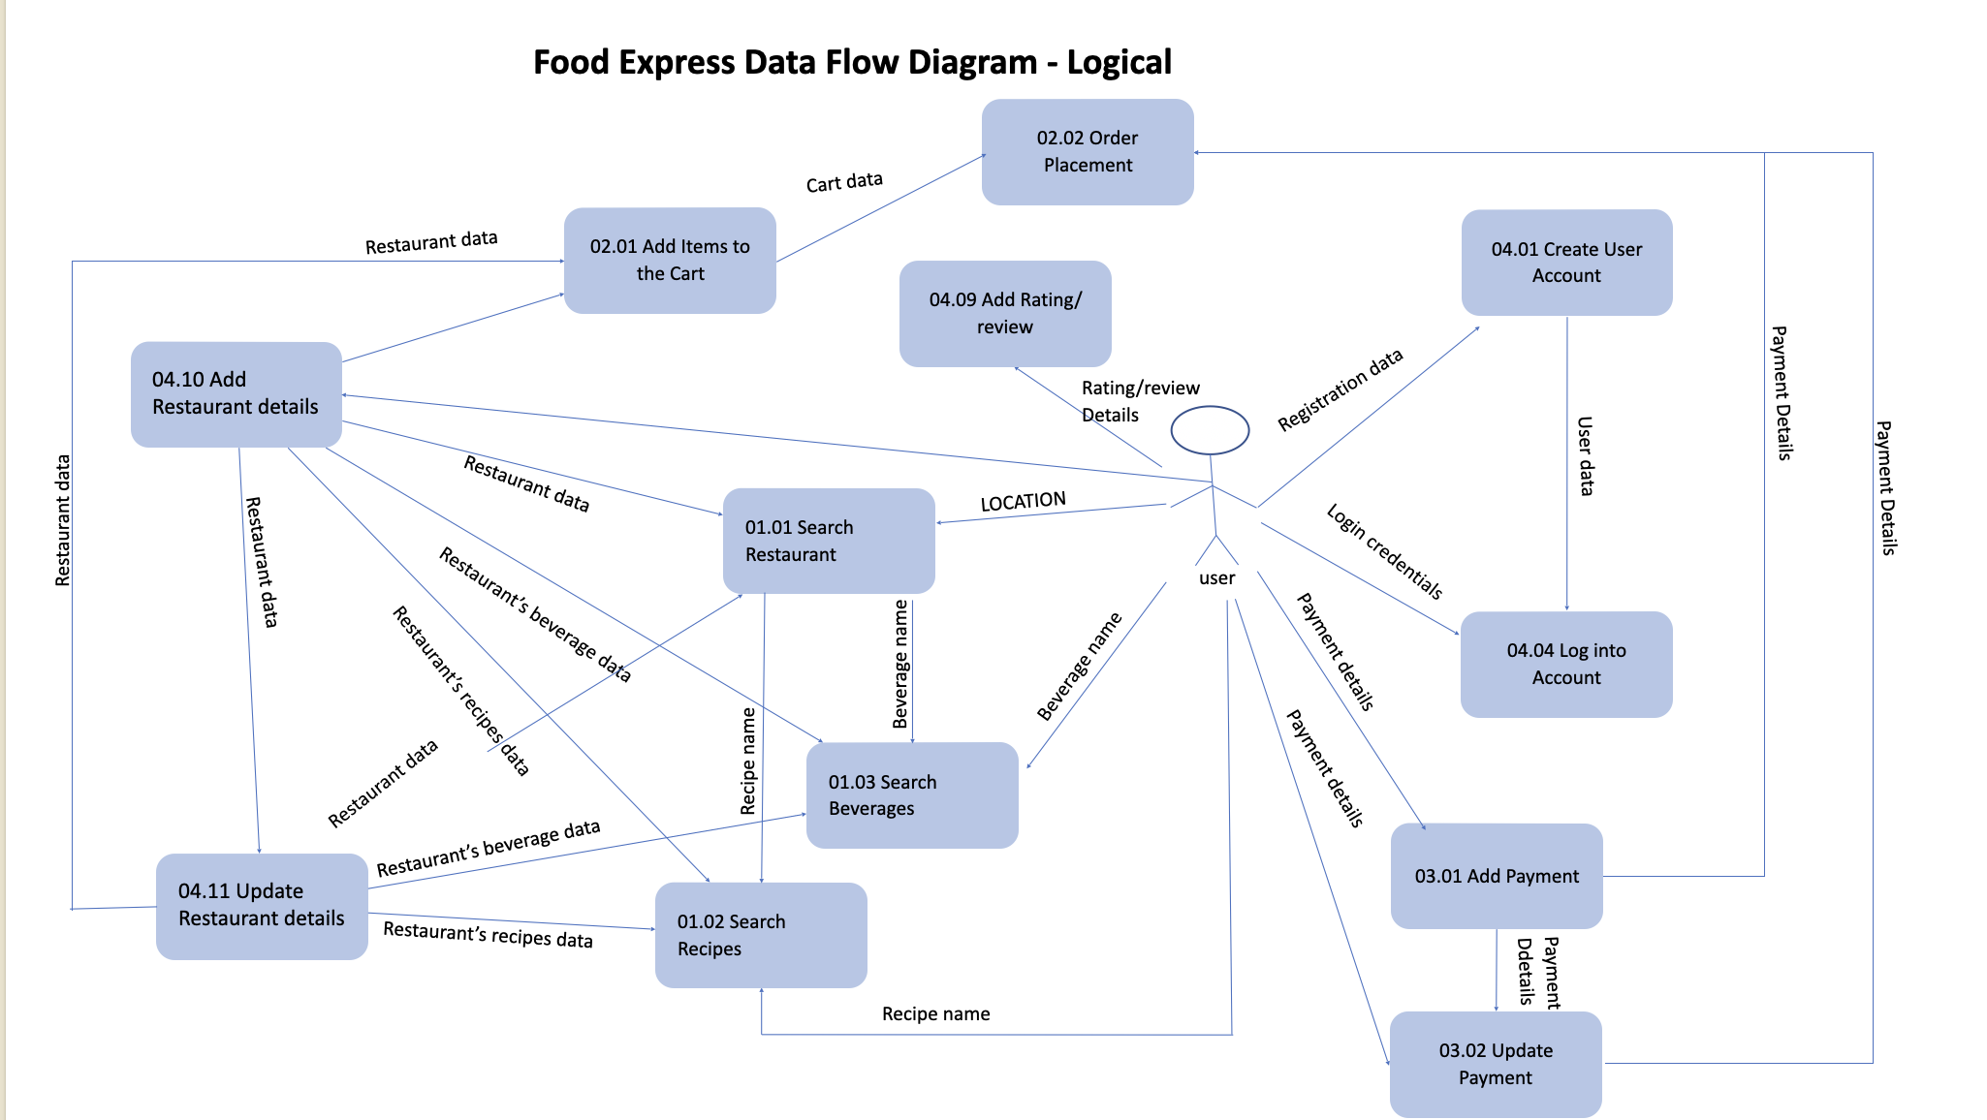
TC Title: | TC8. Update Payment Details - Data Flow In

TC Objective: | The Objective of this test case is to Verify if the Added Payment details are getting showing in Update Payment Details page.

TC Description
 | Step | Step Description | Expected Results
 | 1 | Click Login Link Enter Email Enter Password Add Payment Details Click on the Update Payment Button | In the Update Payment you can see the Added Payment Details.

TC Data Flow Diagram

